Monthly Budget
 | 0%
 | 0%
Client Names |  | Personal Budget
Percentage of Income Spent |  |  | Summary
 |  |  | TOTAL MONTHLY INCOME

 |  |  | $0
 |  |  | TOTAL MONTHLY EXPENSES

 |  |  | $0
 |  |  | TOTAL MONTHLY SAVINGS

 |  |  | $0
 |  |  | CASH BALANCE

 |  |  | $0
Monthly Income |  | Monthly Expenses |  |  |  | Monthly Savings
ITEM | AMOUNT | ITEM | DUE DATE | AMOUNT | Column1 | DATE | AMOUNT | Column1 | Column2
Client 1 Salary (gross) - | $0.00 | Tax - |  | $0.00 |  | [Date] | $0.00 | 10% for Client 1
Client 2 Salary (gross) - | $0.00 | Tax - |  | $0.00 |  | [Date] | $0.00 | 10% for Client 2
Bonuses | $0.00 | Mortgage - P&I |  | $0.00 |  | [Date] | $0.00 | Salary sacrifice
Other | $0.00 | Rates |  | $0.00
 |  | Home insurance and contents |  | $0.00
 |  | Electricity and Gas |  | $0.00
 |  | Fuel |  | $0.00
 |  | Car rego |  | $0.00
 |  | Car Insurance |  | $0.00
 |  | Life/TPD/Income Insurance |  | $0.00
 |  | Private Health Cover |  | $0.00
 |  | Entertainment |  | $0.00
 |  | Subscriptions |  | $0.00
 |  | Groceries/Meat/Food |  | $0.00
 |  | Car Insurance |  | $0.00
 |  | Sport's Events Costs |  | $0.00
 |  | Kids |  | $0.00
 |  | Grandkids |  | $0.00
 |  | Other |  | $0.00
 |  | Other |  | $0.00
 |  | Other |  | $0.00
 |  | Other |  | $0.00
 |  | Other |  | $0.00

Goals & Objectives
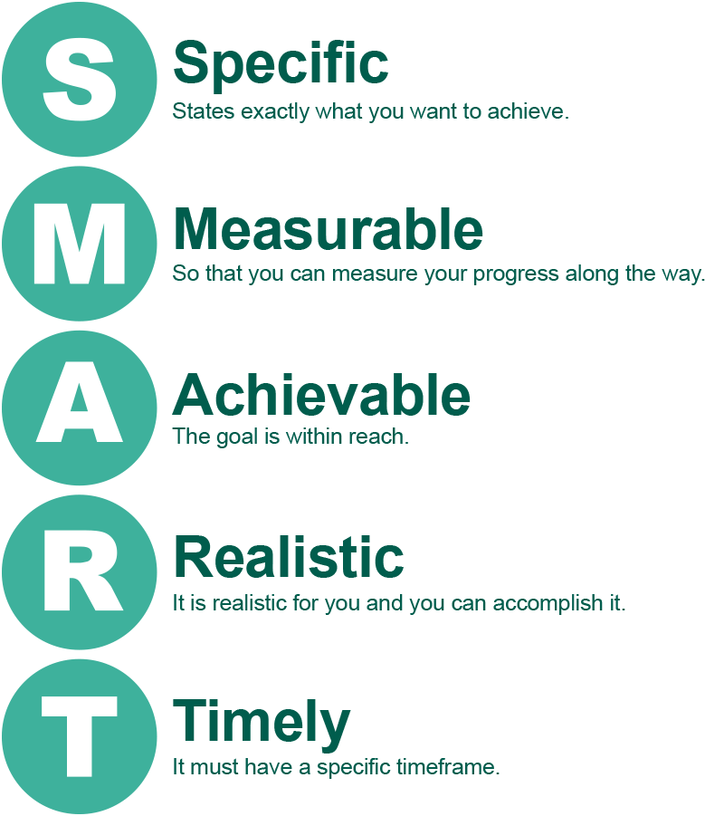
Your picture/measure of success
Is having a secure financial future that allows you to live a stress-free life important to you?
Write here what success looks like for you.

What do you cosider to be your priorities in life? EG, retiring stress-free, looking after children somehow, being debt free, travelling, etc

Goals and Objectives
Write here those things that you think will help you achive your measure of success and prioritise them:
# | Goal/Objective | Priority
1 | To retire at my age 65 with an income of $55,000 pa net.
2 | For my portfolio to generate transparent income that can be used now to fund living costs or invested until I need it.
3 | To repay all debt by my age 65.
4 | To have a holiday every year valued at $10,000.
5 | To buy a new car at my age 60 for $45,000.
6 | To save $xx/month or XX% of my monthly salary
7 | To protect my family from insurable risks, like death or permanent disablement.
8
9
10
11
12
13

Note that the goals written in the grey boxes are examples only to assist you to write your own

